Data
loads | cycles | censor
300 | 1129924 | 1
278 | 482604 | 1
238 | 5000276 | 0
257 | 1430540 | 1
220 | 5000291 | 0
238 | 2164965 | 1
220 | 5000218 | 0
238 | 1265822 | 1
220 | 1185142 | 1
204 | 2727084 | 1
189 | 5000335 | 0
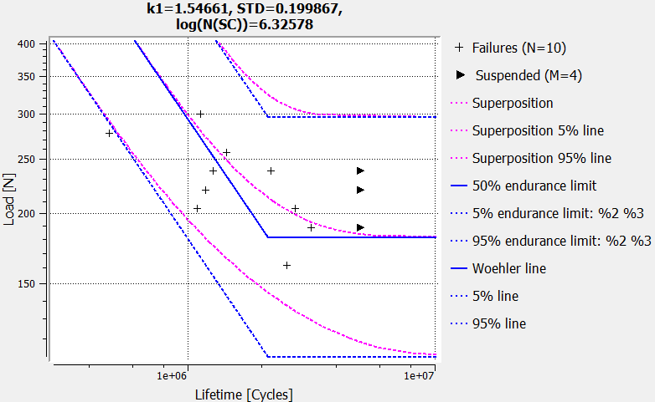
204 | 1089412 | 1
189 | 3166220 | 1
162 | 2516731 | 1

